Sheet1
 | Example Input: | https://www.facebook.com/watch/?ref=saved&v=501525527167675

 | Data Source | Metric | Comments | Exclusion Critieria | Exclusion products: | Keyword Search FB: | Keyword Search AliExpress: |  | Keyword Search AliDropshipping:
 |  |  |  |  | Watches | Get It Now | Portable | (sort by best match, then sort by orders) | All countries
1) | Product Details | Product Name + Link | FB link or AliExpress Link | Remove any with non-english words. | Clothing (including active wear) | Get It Here | Bluetooth |  | Select ePacket
 |  | Product Brand |  |  | Wallets | Get Yours Here | 2 in 1 |  | < 5000 orders (orders not DS orders)
 |  | Is the product heavily branded? | (1) Custom packaging offered? e.g. heysilkyskin.com (2) Instagram Influencers (3) Faster shipping option | 3 columns. Boolean columns. Check Instagram follower number if possible. If >100k then 1 ELSE 0. | Handbags | Get Yours Now | Adjustable
 |  | Product Category / Vertical | e.g. electronics | Remove products from exclusion product list. | Jewellery | Get Yours | Floatable
 |  | Sentiment of comments | Use any off the shelf sentiment analysis package; doesn't need to be 100% accurate |  | Phone accessories (plugs, chargers, phone cases) | Shop Here | Floating
 |  | Product Dimensions | Size of product if we can get it | anything larger than microwave | Earphones / Headphones | Click Here | Mini
 |  | Product Weight | Weight of product in kg if we can get it | >2kg exclude, too heavy | Teeth whitening | Order Here | Easy to use
 |  | Is product seasonal? | e.g. christmas product, summer product |  | Hair removal
 |  |  |  |  | Posture correctors | Buy It Now | New
2) | Google Trends | # minimum searches | Provide worldwide numbers, US numbers, UK numbers |  | Body fat slimming products | Buy Now | Retro
 |  | Date of minimum search | Provided for name of product keywords |  | Weight loss products | Free Shipping | Inflatable
 |  | # maximum searched |  |  | Acne/scar removal cremes | 50% Off
 |  | Date of maximum search |  |  | Face masks / blackhead removers | 60% Off
 |  | Median searches | Rolling past 1 month/3 months |  | Cellulite creams
 |  | Average searches | Rolling past 1 month/3 months |  | Any covid related products e.g. face masks, hand sanitizers, surface disinfectants

3) | Google Reverse Search | # Images | How many images are out there / number of unique sellers
 |  | # Distinct Sellers | Count of other sellers on Google

4) | AliExpress | # Of Orders |  | 5000 max (across brands)
 |  | Customer Review Rating | e.g 4.7/5 * | < 4
 |  | Number of Customer Reviews
 |  | Sentiment of customer reviews | Use any off the shelf sentiment analysis package; doesn't need to be 100% accurate
 |  | Product Price |  | Product + Shipping < $17; still pull everything up to $18.
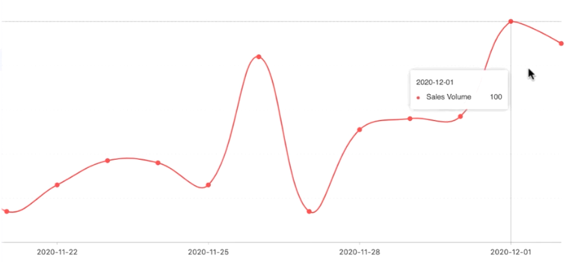
 |  | Shipping Price | AliExpress Standard Tracking, assume to US

5) | AliExpress Dropshipping | Daily Order Index | Index is 0-100
 | (based on product URL) | Upward trend? | Check moving average or similar, is it generally going up? | Decreasing trends -- looking for something like -->
 |  | Logistics Reliability | e.g. Excellent, Average etc (pull the field)

6) | Facebook | Video has audio? | For the video post
 |  | Video length
 |  | Engagement - # Comments
 |  | Sentiment of comments | Use any off the shelf sentiment analysis package; doesn't need to be 100% accurate
 |  | Comments are real / FB profiles are real? | Not sure we can check this?
 |  | Engagement - # Video Views |  | 50k - 600k is good; flag good ones
 |  | Engagement - # Shares and Likes |  | 500 - 1000+ is good; flag good ones
 |  | Engagement - # Reactions
 |  | Video upload date |  | Maximum 60 days from current date.

